Risk summary
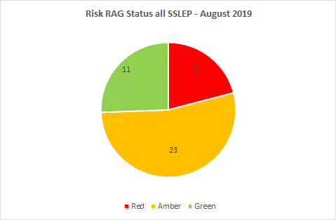
Risks to be escalated to SSLEP Company Executive Board Risks for which the Company Executive Board is the owner, or Risks which by their nature or severity are to be escalated to the Board. |  |  |  |  | Aug-19 | CONFIDENTIAL
 |  | 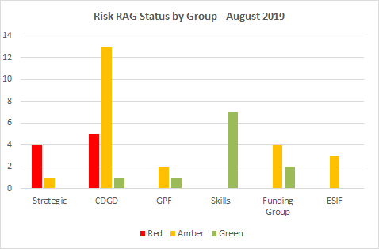 |  |  | 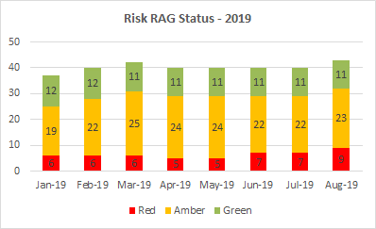
Risk ID | Risk area | Risk Statement | Risk owner | Current/net risk level | Risk actions (mitigations) | Action owner | Action progress
Strategic 2 | LEP governance | The LEP review required all LEPs to review their functioning economic geographies, removing overlaps and confusion over accountability and responsibility on leadership & priority-setting. LEPs submitted details of their proposed future geographies by end of September 2018. The delay in government confirming future geographies is impacting upon confirmation of £300k Core Funding for 2018/19 & 2019/20. This funding is allocated against delivering the LEP Review, including move to incorporated status & increasing capacilty in the team in order to be 'fit' for future investment. | Executive Board |  | Chair to maintain engagement with government on progress, most recently (3 February) in notifying govt of company formation which aligns with current LEP geography ie county boundaries and (4 April) in agreeing to revisit opportunity for local resolution with GBSLEP. Executive Board to discuss once geographies determined. | Chair/Interim Partnership Manager | BEIS has reported that Minister will now determine geographies. 03/04/19 Minister asked LEPs to revisit opportunity to reach agreement locally & meet with him in May to review. The most recent date that Vice Chair has liaised with govt was 25/06/2019. The 4 District Council partners who are unaffected by geographies issue have become Board Directors/Alternates.
Strategic 3 | LEP governance | LEP Partnership Manager is retiring at end of December 2018 and 3 staff on temporary contracts which finish between May & July 2019. Outcome of LEP Review is still emerging, making it imprudent to recruit now for new LEP Director. Potential gap creates difficulties in delivering in a timely manner on LEP Review and wider LEP work programme. | Executive Board |  | Interim Partnership Manager put in place 3 December 2018 enabling handover. Governance review, including move to incorporated body, a review of secretariat and search for new LEP director to be undertaken once full details of the LEP review are known and full requirements can be assessed. | LEP Chair/Interim Partnership Manager | Option to retain Interim Partnership Manager until end of March 2020 has been put in place by SCC. Work to review resources and future secretariat requirements was completed. Future team was agreed by Board on 18 July 2019 however the lack of partner support to resource the required team presents the most significant risk to the partnership. Partnership Manager is realigning existing resources to support new team requirements where possible & seeking new funding partner arrangements. Strategy & Research Officer now confirmed in post. Temporary extension to Office Manager post until 30 December 2019. New JDs under further revision for 4 other posts.
Strategic 4 | LEP governance | Partnership decisions are not made in a timely manner causing delays in the ability of the LEP to: respond to threats to project delivery timetables, creating slippage on programme delivery profiles; and act upon opportunities to increase resources to the partnership. | Executive Board |  | The agreed scheme of delegation operates within a clear reporting framework, ensuring decision-making is transparent and accountable. | All Sub Group Chairs | A revised Scheme of Delegation was approved at the 18 July Board meeting. Sub-Groups review has commenced: revised ToR for Skills Advisory Panel approved 18 July; Programme Assurance Group and Strategic Programme Management Group currently under view (Board sign off 19 Sept). LIS work being used to identify required sub-groups going forward.
Strategic 5 | LEP governance | Loss of Executive Board knowledge due to several private sector board members potentially due to rotate in July 2019 | Executive Board |  | The LEP Review will require four further private sector board members to be added to the board in order to achieve the required private-public balance. The timing of this will further assist in 'staggering' the rotation dates of board members. | Interim Partnership Manager | New Board Member Skills and Experience discussed at 18 July 2019 Board. Board Member Advert out by 2 September 2019
Strategic 6 | LEP strategy | Delay in receipt of additional £300k Core Funding for 2018/19 & 2019/20 (see Risk ID 2) means that LEP is undertaking work at risk in order to develop the Local Industrial Strategy (LIS) by Government's timetable of December 2019. Any delay in LIS production could impact upon ability to access forthcoming funding incl. UK Shared Prosperity Funds. If the additional Core funds do not arrive in a timely fashion, LEP will need to find funding and resources from else where. | Executive Board |  | See Risk ID2 resolution lies in the hands of government/SoS. | LEP Chair/Interim Partnership Manager | See Risk ID2 Interim Partnership Manager has written to BEIS requesting release of LEP review Implementation Grant on basis that Partnership has done everything asked of it and decision now lies with SoS.
CDGD 6 | Wider economy | As a result of wider economic trends e.g. economic downturn, there is a possibility of developers being less likely to undertake speculative developments which could have the effect of Programme not meeting its objectives | CDGD PAG |  | Monthly highlight review at CDGD PAG | All project leads | Active Projects Overview presented at monthly CDGD PAG Recently speculative builds have been completed at Bericote Four Ashes and Meaford. Lichfield Park construction commenced 11 Feb 2019) - PR event held on 18th Feb. Practical Completion is due Q3 201ements re timing and clawback should help to mitigate. Revised funding agreement drafted by Legal - to be applied to the 6 new schemes.
CDGD 13 | Delivery of major projects | As a result of the housing market not progressing as quickly as forecast, house builders in control of the absorption rate of build, there is a possibility of slower construction, housing taking longer to complete, which would have the affect of the programme not meeting its 2021 agreed targets. This is RED due to the size of the Etruria Valley and SWAR projects (relating to the amount of LEP money not being spent) | CDGD PAG |  | Identify schemes that could deliver housing benefits Review existing housing schemes forecast Lobby key stakeholders to bring forward housing schemes Working relationship with Homes England Have a balanced portfolio, introducing a number of smaller schemes Local authority housing Community builds Non-traditional housing e.g. modular | Jacqui Casey | Regular reviews are undertaken at CDGD PAG. Outcomes dashboard is produced to highlight any potential areas of concern at an early stage. Open call and subsequent pipeline prioritised on shovel ready schemes capable of delivering housing (and/or jobs) within LGF timescale. Action to add, on survey of Housing Approvals.
CDGD 18 | LGF Funding | As a result of assigned schemes delivery timescales slipping, there is a possibility that the CDGD planned investment will not be achieved by March 2021, which would have the affect of the LEP failing to deliver its agreed Growth Deal objectives, leading to reputational impact and jeopardising future investment | CDGD PAG |  | Quarterly grant spend profiling in place for all CDGD projects. Early identification of current pipeline projects to alternatively fund from grant slippage | Simon Ablewhite | Quarterly spend reporting to the Audit & Finance Group and the LEP Executive Board to highlight potential scheme/project slippage risks against the current CDGD Delivery Programme Open call prioritised on shovel ready schemes capable of delivering housing (and/or jobs) within LGF timescale. Resulting in four additional schemes being brought into the growth deal programme, total £2.9m investment. Reallocation of ROF Featherstione money (£1.46m) prioritised another 2 additional shovel-ready schemes; these were approved by Executive Board and funding agreements are being drafted
CDGD 21 NEW | Programme/ Reputation | Based on current outputs estimates, there is a risk that the SSLEP may not achieve its housing output targets of 1000 houses by March 2021. This could result in reputational damage and could impact on future funding allocation from central government. | CDGD PAG |  | An Outputs report/position statement and recommendations has been taken to PAG 27/08/19, and is subsequently to be taken to Executive Board. (Review pipeline, open call). | SA/SP | Paper to be taken to Board on 19/19/2019
CDGD 21 NEW | Programme/ Reputation | There is a risk that 4 schemes (2 of which are very large) in the current programme may not spend their grant allocation by the deadline of March 2021. This could severely impact on the LEP's ability to spend the LGF grant and to attain the required outputs. | CDGD PAG |  | An Outputs report/position statement and recommendations has been taken to PAG 27/08/19, and is subsequently to be taken to Executive Board on 19/09/19. (Review pipeline, open call). | SA/SP | - Awaiting result of appraisal of CELR business case. - Executive Board has agreed that the Etruria Business Case will be reviewed in November. - Churnet Works has now withdrawn (21/08/19). - CCAP - awaiting outcome of Stoke transport scheme review.

