SUMMARY
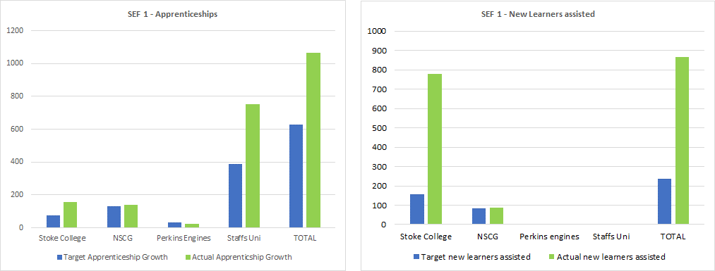
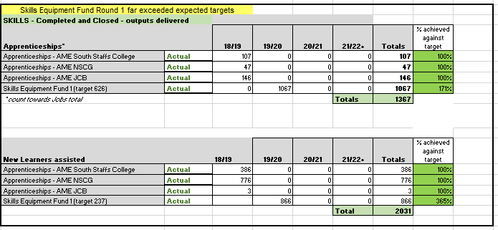
SSLEP Executive Board - Growth Deal Outputs Summary |  |  | at Q4 2019/20

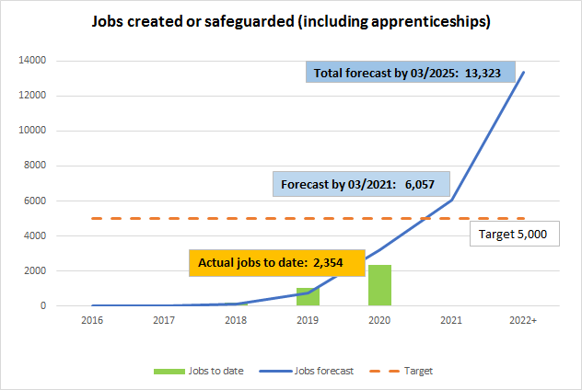

JOBS created or safeguarded - actual vs forecast

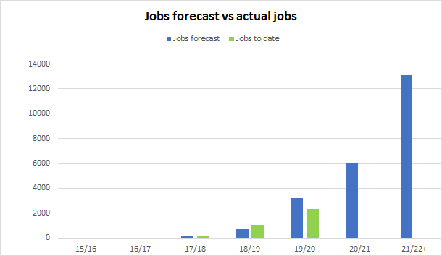

 |  | These forecasts are based on scheme forecasts revised in April 2019. Forecasts will be revisited in Q1, 2020

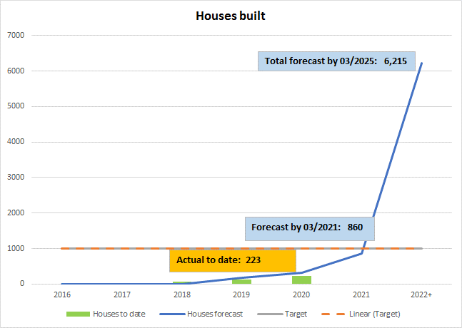

Housing units constructed - actual vs forecast

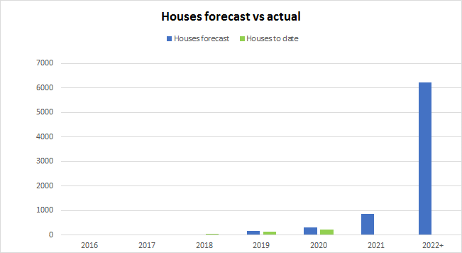

Target: 1,000

 |  | These forecasts are based on scheme forecasts revised in April 2019. Forecasts will be revisited in Q1, 2020

 | Skills - Apprenticeships and Learners - ACTUALS

CDGD TIMELINE
TODAY
Apr-20
GROWTH DEAL |  |  | SSLEP Confidential report GD Programme Delivery and Outputs Forecasting JOBS |  |  |  |  |  |  |  |  |  |  | Outputs RAG - current position against forecast JOBS
Scheme title | Status | 2014 | 2015 | 2016 | 2017 | 2018 | 2019 | 2020 | 2021 | 2022 | 2023 | 2024 | 2025 | JOBS Delivered to date | % of 2019-20 target attained to date | JOBS Forecast by March 2020 | JOBS Forecast by March 2021 | JOBS Forecast 2021-22+ | ORIGINAL forecast (by 2025)
Outputs - benefits realisation
Apprenticeships - AME South Staffs College | Completed and closed, outputs delivered |  |  |  |  |  |  |  |  |  |  |  |  | 107 | 100% | 107 | 107 | 107 | 107
Outputs - benefits realisation
Apprenticeships - AME NSCG | Completed and closed, outputs delivered |  |  |  |  |  |  |  |  |  |  |  |  | 47 | 100% | 47 | 47 | 47 | 47
Outputs - benefits realisation
Apprenticeships - AME JCB | Completed and closed, outputs delivered |  |  |  |  |  |  |  |  |  |  |  |  | 146 | 100% | 146 | 146 | 146 | 146
Construction/
LEP intervention
Construction
Outputs - benefits realisation
15. Children's contract signature
Lichfield Park | Completed - monitoring outputs |  |  |  |  |  |  |  |  |  |  |  |  | 0 | 0% | 200 | 400 | 723 | 1100
Construction/
LEP intervention
Outputs - benefits realisation
Meaford | Completed - monitoring outputs |  |  |  |  |  |  |  |  |  |  |  |  | 80 | 100% | 80 | 500 | 2200 | 2200
Construction/
LEP intervention
Outputs - benefits realisation
Bericote Four Ashes (Phases 1 and 2) | Completed - monitoring outputs |  |  |  |  |  |  |  |  |  |  |  |  | 488 | 46% | 1060 | 1160 | 1360 | 1080
Construction/
LEP intervention
Outputs - benefits realisation
Branston Locks | Completed - monitoring outputs |  |  |  |  |  |  |  |  |  |  |  |  | 0 | N/A | 0 | 460 | 3800 | 3844
Construction/
LEP intervention
Construction/
LEP intervention
Outputs
Redhill (S) | Completed - monitoring outputs |  |  |  |  |  |  |  |  |  |  |  |  | 89 | 100% | 89 | 220 | 220 | 125
Outputs
Keele IC5 (S) | Completed - monitoring outputs |  |  |  |  |  |  |  |  |  |  |  |  | 162 | 137% | 120 | 120 | 120 | 120
Construction/
LEP intervention
Outputs
i54 (S) | Completed - monitoring outputs |  |  |  |  |  |  |  |  |  |  |  |  | 80 | 62% | 130 | 190 | 190 | 190
Construction/
LEP intervention
Outputs
Keele SIH | Completed - monitoring outputs |  |  |  |  |  |  |  |  |  |  |  |  | 8 | N/A | 0 | 38 | 80 | 80
Outputs - benefits realisation
Skills Equipment Fund 1 | Completed - monitoring outputs |  |  |  |  |  |  |  |  |  |  |  |  | 1067 | 171% | 626 | 626 | 626 | 626
Outputs - benefits realisation
Skills Equipment Fund 2 | Completed - monitoring outputs |  |  |  |  |  |  |  |  |  |  |  |  | 0 | N/A | 0 | 285 | 285 | 285
Construction/Delivery - LEP intervention
Outputs - benefits realisation
SWAR | Live - in implementation |  |  |  |  |  |  |  |  |  |  |  |  | 0 | 0% | 50 | 50 | 100 | 0
Construction/Delivery - LEP intervention
Outputs - benefits realisation
Tamworth Enterprise Quarter | Live - in implementation |  |  |  |  |  |  |  |  |  |  |  |  | 80 | 167% | 48 | 98 | 98 | 98
Construction/
LEP intervention
Outputs
Spode Church Street Phase 2 | Live - in implementation |  |  |  |  |  |  |  |  |  |  |  |  | 0 | 0% | 20 | 20 | 20 | 20
Construction
Outputs
Victoria Ground Phase 2 | Live - in implementation |  |  |  |  |  |  |  |  |  |  |  |  | 0 | N/A | 0 | 44 | 44 | 44
Construction
Outputs
Stoke Flood Alleviation | Live - in implementation |  |  |  |  |  |  |  |  |  |  |  |  | 0 | N/A | 0 | 0 | 186 | 186
Outputs - benefits realisation
SME Expansion programme (GPF) | Live - in implementation |  |  |  |  |  |  |  |  |  |  |  |  | 0 | N/A | 0 | 314 | 314 | 314
Construction
Outputs
Etruria Valley | Approved - pending contract |  |  |  |  |  |  |  |  |  |  |  |  | 0 | 0% | 500 | 1000 | 2200 | 2200
Construction
Out
puts
Stoke on Trent Railway Station Power Upgrade | Approved - pending contract |  |  |  |  |  |  |  |  |  |  |  |  | 0 | N/A | 0 | 12 | 12 | 12
Construction
Outputs
Phase 1
Outputs
Phase 2
Blythe Park Extension Infrastructure project | Approved - pending contract |  |  |  |  |  |  |  |  |  |  |  |  | 0 | N/A | 0 | 190 | 415 | 415
Construction
Outputs
Cannock & Silverdale Enterprise Centres | Approved - pending contract |  |  |  |  |  |  |  |  |  |  |  |  | 0 | N/A | 0 | 30 | 30 | 30
 |  |  | Growth Deal - Jobs totals |  |  |  |  |  |  |  |  |  |  | 2354 | 73% | 3223 | 6057 | 13323 | 13269
GROWTH DEAL |  |  | SSLEP GD Programme Delivery and Outputs Forecasting - HOUSING |  |  |  |  |  |  |  |  |  |  | Outputs RAG - current position against forecast HOUSING
Scheme title |  | 2014 | 2015 | 2016 | 2017 | 2018 | 2019 | 2020 | 2021 | 2022 | 2023 | 2024 | 2025 | HOUSES Delivered to date | % of 2019-20 target attained to date | HOUSES Forecast by March 2020 | HOUSES Forecast by March 2021 | HOUSES Forecast 2021-22+ | ORIGINAL forecast (by 2025)
Construction/Delivery - LEP intervention
Outputs - benefits realisation
SWAR | Live - in implementation |  |  |  |  |  |  |  |  |  |  |  |  | 174 | 79% | 220 | 320 | 2350 | 2200
Construction/
LEP intervention
Outputs - benefits realisation
Branston Locks | Live - in implementation |  |  |  |  |  |  |  |  |  |  |  |  | 49 | 54% | 90 | 340 | 2500 | 2500
Construction
Outputs
Victoria Ground Phase 2 | Live - in implementation |  |  |  |  |  |  |  |  |  |  |  |  | 0 | N/A | 0 | 70 | 70 | 63
Outputs - benefits realisation
SME Expansion ptogramme | Live - in implementation |  |  |  |  |  |  |  |  |  |  |  |  | 0 | N/A | 0 | 130 | 130 | 130
Construction
Outputs
City East Link Road | Live - in implementation |  |  |  |  |  |  |  |  |  |  |  |  | 0 | N/A | 0 | 0 | 499 | 499
Construction
Outputs - benefits realisation
Stoke Flood Alleviation | Live - in implementation |  |  |  |  |  |  |  |  |  |  |  |  | 0 | N/A | 0 | 0 | 450 | 450
Construction
Outputs
Phase 2
Blythe Park Extension Infrastructure project | Approved - pending contract |  |  |  |  |  |  |  |  |  |  |  |  | 0 | N/A | 0 | 0 | 168 | 168
land purchase
Outputs
Outputs
Outputs
Stafford Gateway Land Acquisition | Approved - pending contract |  |  |  |  |  |  |  |  |  |  |  |  | 0 | N/A | 0 | 0 | 48 | 48
 |  |  | Growth Deal - Housing totals |  |  |  |  |  |  |  |  |  |  | 223 | 72% | 310 | 860 | 5999 | 5842
CITY DEAL |  | SSLEP City Deal Programme Delivery and Outputs Forecasting - JOBS
Construction/Delivery - LEP intervention
Outputs - benefits realisation
Keele SEND (City Deal) | Live - in implementation |  |  |  |  |  |  |  |  |  |  |  |  | 0 |  | TBC | TBC | 440
Construction/Delivery - LEP intervention
Outputs - benefits realisation
DHN (City Deal) | Live - in implementation |  |  |  |  |  |  |  |  |  |  |  |  | 0 |  | TBC | TBC | 229
Construction/Delivery - LEP intervention
AME Hub Phase 1 | Closed - outputs delivered |  |  |  |  |  |  |  |  |  |  |  |  | 12 | 100% |  |  | 12
Construction/Delivery - LEP intervention
Innovative Growth in Stoke-on-Trent and Staffordshire (IGISS) | Closed - outputs delivered |  |  |  |  |  |  |  |  |  |  |  |  | 251 | 113% |  |  | 222
Construction/Delivery - LEP intervention
Stoke-on-Trent and Staffordshire Business Support Programme (SSBSP) | Closed - outputs delivered |  |  |  |  |  |  |  |  |  |  |  |  | 196 | 147% |  |  | 134
Construction/Delivery - LEP intervention
Stoke-on-Trent and Staffordshire Business Support Programme (SSBSP) Business Loan Fund | Closed - outputs delivered |  |  |  |  |  |  |  |  |  |  |  |  | 251 | 104% |  |  | 241
 |  |  | City Deal - Jobs totals |  |  |  |  |  |  |  |  |  |  | 710 | 55% |  |  | 1278

