Overview
SSLEP Programme Risk Management - April 2020
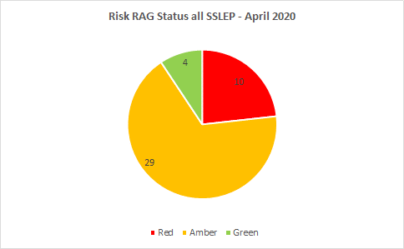
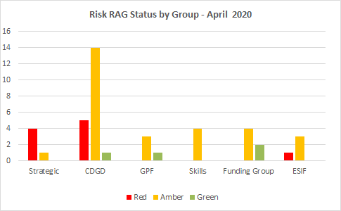
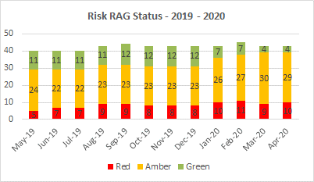

Key "Red" rated risk level activities

Risk area | Risk Statement | Risk actions (mitigations) | Action progress
Strategic 2 | LEP Geography Resolution | Chair to maintain engagement with government on progress, most recently (15 February) in notifying govt of company formation which aligns with current LEP geography ie county boundaries. Executive Board to discuss once geographies determined. | BEIS has reported that Minister will now determine geographies. 03/04/19 Minister asked LEPs to revisit opportunity to reach agreement locally & meet with him in May to review. The most recent date that Acting Chair has liaised with govt was by letter to BEIS & MHCLG in October 2019. Govt has requested a further position statement on local resolution by 12 Dec 2019. All District Council partners agreed to become Board Directors/Alternates in June 2019, although, as of 4 Dec 2019 Cannock Chase DC has written to former Ministers (Berry & Nahawi) stating a preference to be included in GBSLEP only. A further letter has been received from Ministers (Berry & Nahawi) requesting that LEPs make a further attempt at local resolution and report back by 27 February 2020. A meeting has been held between SSLEP and GBSLEP & WLEP Chairs on 19 February 2020 and resulted in a further letter send advising that local resolution was not possible. Ministerial response is now likely to be aligned with the publication of the Devolution White Paper however removal of overlaps continues to be govt policy.
Strategic 7 | In the light of the unprecedented Covid-19 crisis, its economic impacts and the requirement for an emergency package of support for business, the new Government must refocus to address new challenges through adoption of new policy positions, initiatives & delivery mechanisms. Ministers are considering a range of new policy options. LEPs are vulnerable to the policy outcomes and this inability to move/lack of self-determination presents a unique risk for the company and limits the ability to plan for the future. | The LEP is working with the LEP Network in articulating the added value from LEPs in supporting recovery planning, providing business expertise on how to remobilise supply chains and stimulate demand. Through its Annual Performance Review outcomes, SSLEP has verified its transformational improvements across governance, accountable systems & processes and the capacity & capability of its Board and Secretariat and, working together & using strengths of all partners, can demonstrate our readiness to take on the current challenges and deliver economic recovery & growth across SSLEP. | The LEP is continuing to strengthen its performance, through developing & delivering a new Improvement Plan for 20/21. The CEO recruitment and the development of the new Communications Plan are underway. The Chair & interim Partnership Manager contribute to recovery planning through weekly regional LEP meetings and feed into Network work directly and through the regional grouping. The SSLEP Covid Taskforce enables partners discussion & coordination on recovery, renewal & resilience work.
Strategic 8 | RECRUITMENT OF CEO (interim in place currently) | The Interim Partnership Manager is now taking the CEO post through job evaluation in order to set the appropriate salary. Job evaluation takes 20 working day after which Union agreement is required and then a recruitment process | Job evaluation has been completed. The Chair & CEO have undertaken investigations into the current market and preparations are underway to advertise the post. Approval to Consider potential to extend interim Partnership Manager contract or alternative arrangements in the event of delays in appointing CEO.
Strategic 9 | COVID 19 - impact resources /programme delivery / economy. | Note Government advice and mitigations. Government process to mitigate against impact on the economy. Internally: apply remote working proactices and other government advice to ensure contimued working of secretariat | SSLEP Secretariat has a business continuity plan in place and this is working well so far. The Programme Manager is assessing the impact upon current programme delivery ensuring that 20/21 spend profiles are as accurate as possible and keeping in touch with BEIS on key issues arising. At LEP Board of 19 March 2020, the LIS Implementation Sub Groups were charged with identifying immediate, short & medium term actions for inclusion in recovering planning. Data and intelligence is being gathered by the full range of LEP partners in order to ensure a detailed understanding of economic impacts are available in considering required actions.
CDGD 13 | Macroeconomic Impacts on Programmes Brexit Implications / Recession / COVID Impacts. Programmes could stall which would affect programmes not meeting its 2021 targets | Identify schemes that could deliver housing benefits Review existing housing schemes forecast Lobby key stakeholders to bring forward housing schemes Working relationship with Homes England Have a balanced portfolio, introducing a number of smaller schemes Local authority housing Community builds Non-traditional housing e.g. modular | Regular reviews are undertaken at SPMG. Outcomes dashboard is produced to highlight any potential areas of concern at an early stage. Open call prioritised on shovel ready schemes capable of delivering housing (and/or jobs) within LGF timescale. Action to add on survey of Housing Approvals. Tightening of future funding agreements re timings and clawback will help to mitigate. Revised funding agreement drafted by Legal. Close links are maintained with BEIS
CDGD 18 | CDGD Programme slippage missing Mar 2021 deadline - LEP missing Growth Deal Objective and reputational damage impacting future funding | Quarterly grant spend profiling in place for all CDGD projects. Early identification of current pipeline projects to alternatively fund from grant slippage | Quarterly spend reporting to the Audit & Finance Group and the LEP Executive Board to highlight potential scheme/project slippage risks against the current CDGD Delivery Programme Funding from withdrawn schemes has been reallocated . Funding agreements for high risk schemes which are due to commence and complete in year 2020/21 include monitoring plans linked to financial penalties. An additional funding agreement has been contracted to mitigate against further slippage or failure.
CDGD 21 | Jobs (5000) and Houses (10000) CDGD target by Mar 2021 could be missed. Reputational damage impacting future funding. Delays due to Covid increase this risk. | An Outputs report/position statement and recommendations has been prepared for PAG 27/08/19, and is subsequently to be taken to Executive Board. (Review pipeline, open call). | Paper taken to Board on 19/09/2019 Board requested that Notice letters are to be sent to lagging schemes, giving deadlines for position statements/progress reports; these have been brought to the Board Oct/Nov 2019 Quarterly ouput reporting is taken to Audit & Finance Group, SPMG and Executive Board. Forecasts are revised annually in Q1 - a deep dive into forecasting will take place April 2020
CDGD 22 | 4 schemes (2 very large) in programme may not spend grant allocation by Mar'21 deadline. Impacts output and loss of grant | An Outputs report/position statement and recommendations has been prepared for PAG 27/08/19, and is subsequently to be taken to Executive Board on 19/09/19. (Review pipeline, open call). | - Churnet Works has now withdrawn (21/08/19). - CCAP - Notice letter sent 27/09/19. Response letter received from SoTCC, (Exec Board agenda for 17/10/19) provided reassurance that spend/delivery targets could be met. Spend is due to recommence in Q4 19/20 - CELR business case was approved by Exec Board subject to T&C's and Monitoring Plan including penalty milestones - these have been drafted . Funding agreement now signed - Etruria brought a report to Exec Board on 21/11/19. All elements of the business case have been submitted to DfT - awaiting outcome of business appraisal by DfT. - - Etruria Valley - All elements of the business case have been APPROVED by DfT. Funding agreement and monitoring plan is to be drawn up. The 2 very large schemes are now contracted or in contracting, but Covid makes delivery within timescale uncertain
CDGD 25 | COVID 19 Coronavirus - impact on programme delivery; impact on schemes' ability to spend LGF grant within deadline if work is delayed or halted. | Engage with BEIS - push for extension of timescales for spend Lobby ministers Engage with support groups such as LEP network | Questions and issues have been escalated to BEIS, who are collating these in order to inform a response
ESIF 5 | Plans to allocate remaining ESIF allocations for LEP areas through ERDF and ESF National Reserve Fund calls have now been put on hold in favour of re-orientating remaining funds to align with national priorities, as part of the EU's COVID-19 response package. For the UK this means that funds will target te three highest government priorities as part of their response to COVID-19, namely supporting the NHS, helping businesses and self employed and employment measures to help those in work retain their jobs. Whilst all of these measures are likely to benefit the SSLEP area, remaining priojects and programmes planned for the National Reserve Fund calls that don't feature in these three priorities are now unable to bid for ESIF Funding | Need to follow emerging guidance on re-orientation of ESIF funds and ensure government priorities benefit the SSLEP area | Continue to monitor and advise via ESIF Committee and SSLEP Executive Board

Risk Matrix

Risk Matrix |  |  | <----------------------------------- IMPACT ------------------------------------->
 | A - Minor | B - Moderate | C - Major | D - Critical | E - Catastrophic
5 - Almost certain | Low | Medium | High | High | High
4 - Likely | Low | Medium | Medium | High | High
3 - Possible | Low | Medium | Medium | High | High
2 - Unlikely | Low | Low | Medium | Medium | High
1 - Rare | Low | Low | Low | Medium | Medium

